Site Dev Cost
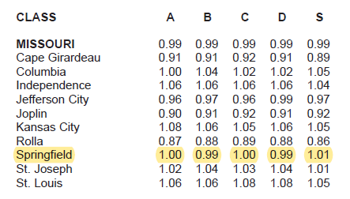
 |  |  |  | Excellent | <---DROPDOWN BOX
Site Development Costs | # Sites | P. Site | Total | Quality Level / Notes | DO NOT CHANGE
Number of Units/Sites | 8 |  |  |  | Excellent | Good | Average | Low | Cheap
Engineering | 8 | $2,550 | $20,400 | Excellent | $2,550 | $1,920 | $1,320 | $935 | $482 | Engineering
Grading | 8 | $2,430 | $19,440 | Excellent | $2,430 | $1,750 | $1,140 | $765 | $412 | Grading
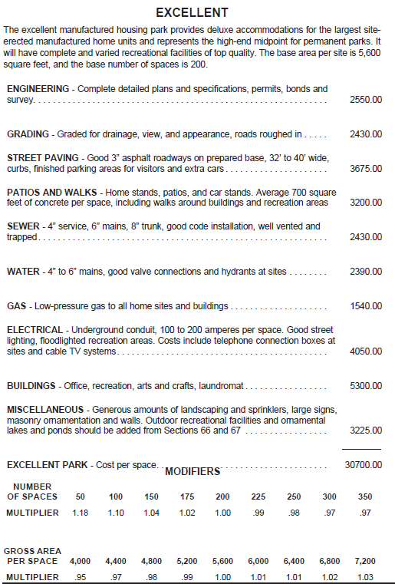
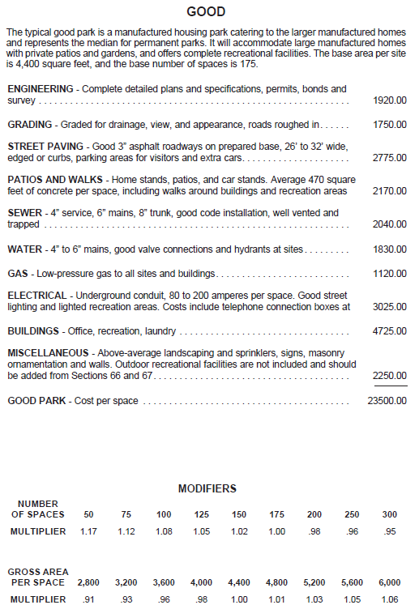
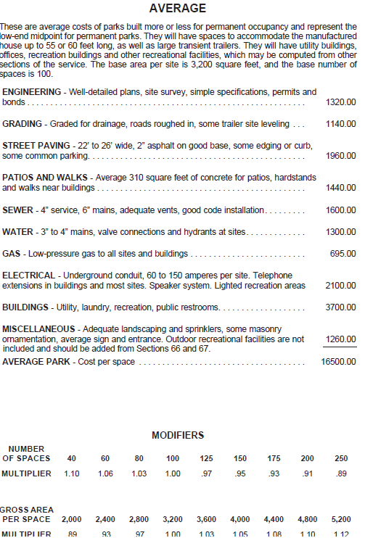
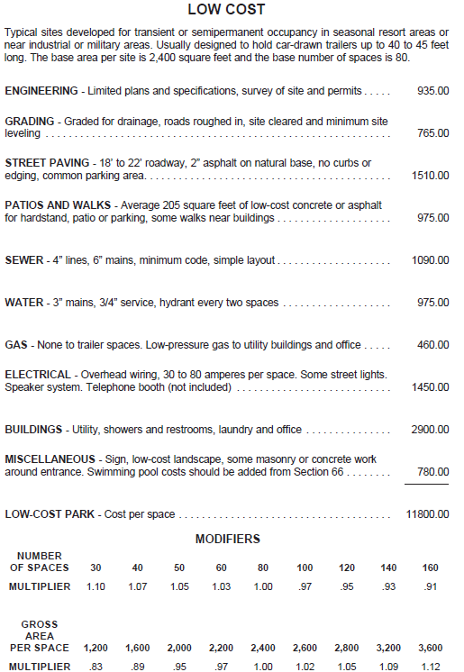
Street Paving | 8 | $3,675 | $29,400 | Excellent | $3,675 | $2,775 | $1,960 | $1,510 | $965 | Street Paving
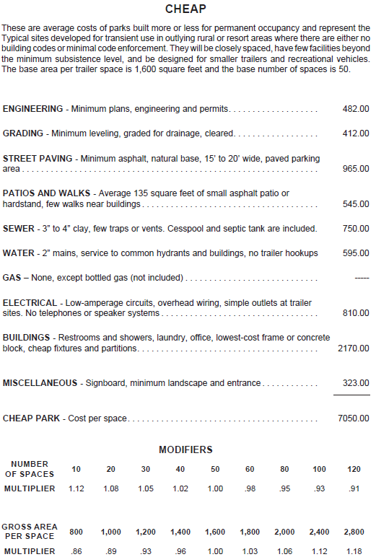
Patios and Walks | 8 | $3,200 | $25,600 | Excellent | $3,200 | $2,170 | $1,440 | $975 | $545 | Patios and Walks
Septic | 8 | $2,430 | $19,440 | Excellent | $2,430 | $2,040 | $1,600 | $1,090 | $750 | Sewer
Water | 8 | $2,390 | $19,120 | Excellent | $2,390 | $1,830 | $1,300 | $975 | $595 | Water
Gas | 8 | N/A | N/A | Excellent | $1,540 | $1,120 | $695 | $460 | $0 | Gas
Electrical | 8 | $4,050 | $32,400 | Excellent | $4,050 | $3,025 | $2,100 | $1,450 | $810 | Electrical
Buildings | 8 | N/A | N/A | Separate Calc. | $5,300 | $4,725 | $3,700 | $2,900 | $2,170 | Buildings
Miscellaneous | 8 | $3,225 | $25,800 | Excellent | $3,225 | $2,250 | $1,260 | $780 | $323 | Miscellaneous
Subtotal Cost per Unit |  | $23,950 | $191,600
 |  |  |  |  | $30,790 | $23,605 | $16,515 | $11,840 | $7,052
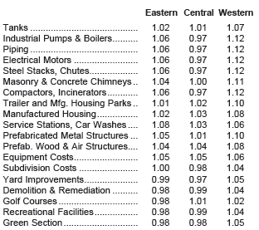
Cost Multipliers | Area / # / SF | Multipliers |  | Notes
Current Cost Multiplier | Western | 1.07 | 1.07 | MVS
Local Multiplier | Subject City | 0.94 | 0.94 | MVS
Number of Spaces Multiplier | 8 | 1.18 | 1.18 | MVS
Average Area (SF) per Space Multiplier | 201,465 | 0.97 | 0.97 | MVS
Additional Multiplier |  | 1.00 | 1.00 | Additional Multiplier
Net Multiplier |  | 1.15 | 1.15

Site Dev Costs (w/ Multiplier) | # Sites | P. Space | $ Total | Quality Level / Notes
Engineering | 8 | $2,936 | $23,485 | Excellent
Grading | 8 | $2,798 | $22,380 | Excellent
Street Paving | 8 | $4,231 | $33,846 | Excellent
Patios and Walks | 8 | $3,684 | $29,472 | Excellent
Sewer | 8 | $2,798 | $22,380 | Excellent
Water | 8 | $2,751 | $22,012 | Excellent
Gas | 8 | N/A | N/A | Excellent
Electrical | 8 | $4,663 | $37,300 | Excellent
Buildings | 8 | N/A | N/A | Separate Calc.
Miscellaneous | 8 | $3,713 | $29,702 | Excellent
Total Site Dev Costs (w/ Multiplier) |  | $27,572 | $220,577

Unit Costs | # | P. Unit | Total | Notes
Cabin 1 | 1 | $120,000 | $120,000 | 399 SF park model with a queen bed, a bedroom with a bunk bed, living area, full, kitchen, full bathroom, and covered porch.
Cabin 2 | 1 | $90,000 | $90,000 | Unit Description
Cabin 3 | 1 | $110,000 | $110,000 | Unit Description
Total Unit Costs | 3 |  | $320,000

Total Site Development Costs + Unit Costs |  |  | $540,577

